Asphalt - Surfacing
 |  |  |  |  | Inspection Test Plan |  | Enter Project Doc No. | Approved |  | Signature
 |  |  |  |  | Contract Name: | FRA 19 - 19A KINGS ROAD REHABILITATON |  | Engineer
 |  |  |  |  | Procedure: | LAYING OF ASPHALT |  | Project Manager
Inspection & Test Plan / Checklist

Site No: |  |  |  |  | Corresponding Method Statement: |  | FRA TIISP 19/19A(KRUP) &NZTA M10
Detailed Location:
Chainage:
No: | Inspection / Test Point | ACTION (Hold, Monitor, Witness) | Reference | Requirement | Frequency | Inspection / Test Method submission, visual inspection, testing, measure, review | Responsibility | Initials | Signature | Date(s)
1 | Bitumen for Asphalt Concrete Production | H | 1.8 Section 400 - Asphalt and Surface Treatment (Contract FRA TIISP 19/19A (KRUP)) NZTA M1 - A:2016 | The asphalt concrete (AC14 and DG7) will be produced with Polymer Modified Binder (PMB), modified with SBS polymer, with performance grade of PG76 - 16V(or better) according to AASHTO M320 Table 1 and torsional recovery >55% when tested at 25°C,30s, according to method AGPT/T122 | As required | Submission Review | Project Manager
2 | AC14 and DG7 Design | H | 1.8 Section 400 - Asphalt and Surface Treatment (Contract FRA TIISP 19/19A (KRUP)) | 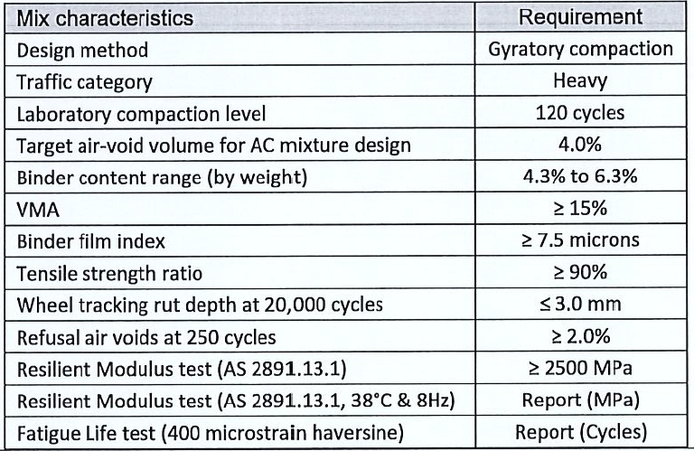 | Before commencement of work | Submission Review | Project Manager
3 | Laydown Trial | W | 1.8 Section 400 - Asphalt and Surface Treatment (Contract FRA TIISP 19/19A (KRUP)) | A production and construction trial shall be done prior to construction | Before commencement of work | Submission Visual inspection Testing Review | Project Manager
4 | Adhesion Test | H | 1.8 Section 400 - Asphalt and Surface Treatment (Contract FRA TIISP 19/19A (KRUP)) | The aggregate used for AC14 and DG7 and chip seal shall meet the requirements of adhesion when tested according to: VicRoads Test Method RC 112.03 ADHESION OF BINDER TO STONE (Ability of a binder to displace water from a wet stone surface) AS 1141.50:1998 Resistance to stripping of cover aggregates from binder or Another international relevant standard. If adhesion does not meet requirements, then an adhesion agent shall be added at the required rate (determinate) according ot the same test methods. Adhesion agent shall be suitable to asphalt concrete high temperature and polymer modified binder. Its type/brand requires prior approval of FRA | Before commencement of work | Submission Review | Project Manager
3 | Construction of Tolerance and Frequency of Testing | W | 1.8 Section 400 - Asphalt and Surface Treatment (Contract FRA TIISP 19/19A (KRUP)) | The applicable construction tolerances and frequency of varous tests are according to the sequence of the following lists where item 1 has the highest prevalence; 1. Tolerances specified herein and other project specific documents; 2. Tolerances specified in the Section 404 of FRA Roadworkss Standards and Specifications; 3. Tolerances specified in NZTA M10 | As required | Submission Testing Review | Project Manager
4 | AC Macrotexture Requirements and Lot Acceptance | W | 1.8 Section 400 - Asphalt and Surface Treatment (Contract FRA TIISP 19/19A (KRUP)) | The asphalt concrete macrotexture will be measured by the mean height of sand (sand patch test) according to ASTM E965 - 15, VicRoads RD 317.01 or TNZ T/3. Lot acceptance is according to the belwo criteria: AC14 - Lanes - 0.5min ≤ average mean height of sand ≤ 1.5mm DG7 - Shoulders - (not required) Calculation of average value is according FRA 5105:2019 specification. One test every 200m of lane performed at the external wheelpath with a minimum of 2 tests per lot. | Prior to the Tests | Submission Testing Review | Project Engineer
5 | AC Thickness | W | 1.8 Section 400 - Asphalt and Surface Treatment (Contract FRA TIISP 19/19A (KRUP)) | Thickness to be measured in extracted AC cores. AC14 = 28mm and DG7 = 14mm | Each lot | Testing | Project Engineer
6 | AC Roughness | H | 1.8 Section 400 - Asphalt and Surface Treatment (Contract FRA TIISP 19/19A (KRUP)) | Roughness shall be measured according to the International Roughness Index (IRI) at every lane and shoulder wth a roughness device with accuracy class II or better according to ASTM E 950, or eith Roughometer III device and calculated for 100m long sections. This will be performed by FRA rather than Contractor | One week in prior to completion of base layer | Testing Review | FRA Engineer
6 | Air Void Volume Lot Acceptance | W | 1.8 Section 400 - Asphalt and Surface Treatment (Contract FRA TIISP 19/19A (KRUP)) |  | Each lot | Testing Review | Project Engineer
7 | Binder Content for AC Lot Acceptance | W | 1.8 Section 400 - Asphalt and Surface Treatment (Contract FRA TIISP 19/19A (KRUP)) | Bitument content to measured in extracted AC cores | Each lot | Testing Review | Project Engineer
8 | Temperature | H | Section 404.09 - Production of Asphalt (Contract FRA TIISP 19/19A (KRUP)) | 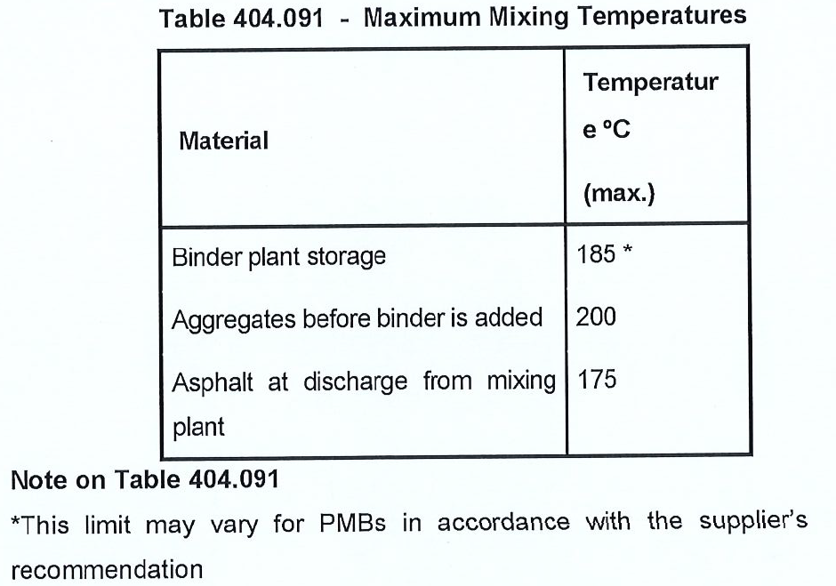 | Every production | Visual | Asphalt Plant Operator Quality Assurance
9 | Tack Coat | W | Section 404.15 - Tack Coat(Contract FRA TIISP 19/19A (KRUP)) | Tack coat should be applied to the cleaned asphalt or sealed surface on which asphalt is to be placed unless the unsealed surface has been primed in which case a tack coat is not required unless otherwise directed or specified. It mst be sprayed in a uniform film over the entire road surface. Application rate shall be 0.15 to 0.3L/m2 (60% bitumen content) or 0.3 to 0.6L/2 (30% bitumen content) except for joints and chases where rate shall be doubled | Every section | Visual | Project Engineer Quality Assurance
10 | Delivery | W | Section 404.16 - Delivery (Contract FRA TIISP 19/19A (KRUP)) | Asphalt elivered to the site which is segregated, has been overloaded, is too cold, contains sperated binders or uncoated particles which does not comply with the specification shall be removed from the site at the Contractor's expense. Where asphalt is measured by other eans and for lump sum contracts, the Contractor shall make delivery dockets available for inspection on request by the Engineer | Each delivery | Visual | FRA Engineer
11 | Joints and Junctions | W | Section 404.17 - Joints and Junctions (Contract FRA TIISP 19/19A (KRUP)) | Location of all joints shall be planned before work commences to achieve specified offsets between layers and final position of joints in the wearing course. All joints shall be well bonded and sealed and the surface across the joint shall meet the requirement of Clause 404.23(b).All cold joints nd abutting conrete edges shall be heavily tack coated. Transverse Joints - Offset from layer to layer by not less than 2m. Longitudinal Joints - Offset from layer to layer by not less than 150mm and shall be within 300mm of the traffic lane line or the cnetre of traffic lane. Shall be parallel to the traffic unless otherwise specified. Junctions - Where new asphalt mat is required to match the level of existing pavement surface at the limits of work, chases shall be cut into the existing pavement by cold planning as pecified in Section 403. At side streets and median opening - 600mm. Through carriageway with a speed limit of 80km/h or less - 3m. | Every section | Visual | Project Engineer
12 | Compacton | W | Section 404.22 - Requirements of esting and Acceptance of Compaction (Contract FRA TIISP 19/19A (KRUP)) | Where the total quantity of particular size or type supplied under the contract exceeds 200tonnes, compaction shall be tested nd accepted on a test lot basis. Unless specified or agreed byt the Engineer acceptance of compaction for all asphalt work will be on procedural basis. This shall be in accordance with VicRoads Code RC 500.05 - Acceptance of Field Compaction. | Every Lot | Visual | Project Engineer Quality Assurance
Comments:

QA Compiled By : |  |  |  |  |  | Signature: |  |  | Date:

QA checked By Discipline Manager: |  |  |  |  |  | Signature: |  |  | Date:

QA checked By Quality Manager: |  |  |  |  |  | Signature: |  |  | Date:

Accepted By Design Engineer: |  |  |  |  |  | Signature: |  |  | Date:

